q2
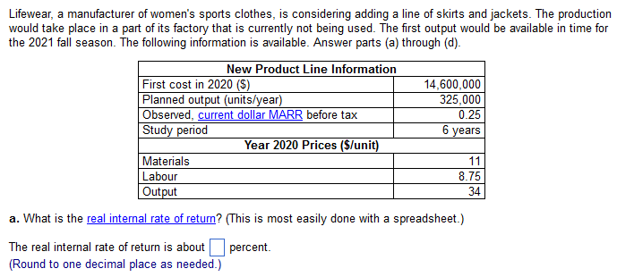

FC: | 15,100,000 | N: | 6 | marr: | 25.00%

output: | 320,000 | A price: | 14.75
 |  | mat: | 12
 |  | labor: | 7.25
 |  | out: | 34

rate: | p/a: | pw: | diff
22.00% | 3.1669178373 | -152147.80778 | 152147.80778
21.90% | 3.1745484216 | -116131.44986 | 116131.44986
21.80% | 3.182209496 | -79971.178687 | 79971.178687
21.70% | 3.1899012206 | -43666.23891 | 43666.23891
21.60% | 3.1976237563 | -7215.8703783 | 7215.8703783
21.50% | 3.2053772652 | 29380.691884 | 29380.691884
 |  |  |  | MARRr: | 21.7%

2.7116%

inflation: | MARRr: | %: | p/a: | pw:
1% | 0.2376 | 23.76% | 3.0372756261 | -764059.04494
2% | 0.2255 | 22.55% | 3.1255606276 | -347353.8379
3% | 0.2136 | 21.36% | 3.2163452065 | 81149.37451

FALSE | inflation margin not profitable

